.
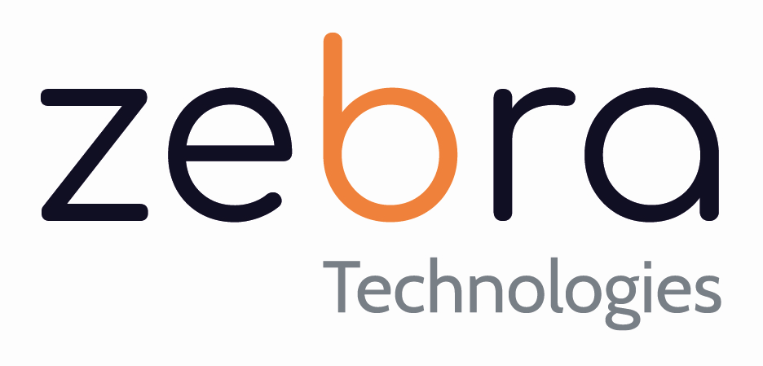

הנדון: הצעת מחיר

 |  |  |  |  | פרטי המשווק
 |  |  |  | Dorcom | שם המשווק:
זברה א.ג.ר טכנולוגיות בע"מ | מאת: |  |  |  | איש הקשר משווק:
פינסקר 70 פתח תקווה |  |  |  |  | טלפון איש הקשר משווק:
תיבת דואר: 7234 פ"ת |  |  |  |  | כתובת דוא"ל איש הקשר משווק:
03-9191603 / 03-9191703 | טלפון / פקס: |  |  |  | פרטי הלקוח
2025-09-09 | תאריך: |  |  | Trigo | שם הלקוח:
גולן בן רפאל | שם איש המכירות / מנהל המוצר: |  |  |  | איש הקשר לקוח:
 | מספר הצעה: |  |  |  | טלפון איש הקשר לקוח:
 | גירסאת הצעת המחיר: |  |  |  | כתובת דוא"ל איש הקשר לקוח:

Product
Part Number | Description | Quantity | Net Unit Price | Total Net Price | comments
SRX320-RMK0 | SRX320 rack mount kit with adaptor tray | 4 | $56.60 | $226.40
 |  |  |  | Total Price for Product
 |  |  |  | $226.40

Terms & Conditions:
* PAYMENT TERMS: NET 30
* All prices are NOT exclusive of all applicable taxes, shipping and delivery charges.
* Price are presented in USD for quoting purposes only. Invoicing will be done in ILS according to the published exchange rate at the date of invoice. As per Israeli law VAT will be added to the invoice.
* The quote is confidential and may not be copied or used other than for the express purpose of product selection and purchasing, licensing or subscribing of the item(s) above.
* This Quote represents a binding, noncancelable, non-refundable commitment to purchase the products and services listed
* This quote is valid for the period stated above and is subject to the terms of the applicable signed agreement between you and Zebra Technologies A.G.R
* This quote includes a contingency clause for unforeseen costs or recurring issues that may arise
* This information may not be given to outside parties without ZebraTech’s consent.
* Please review the terms and conditions of this agreement carefully

 | By:
 | Name:
 | Date:



 | By signing this Quote, you agree that: (1) you are authorized to sign this Quote on behalf of your company; (2) this Quote represents a binding, noncancelable,
 | non-refundable commitment to purchase the products and services listed; (3) if you signed up for a non-standard Subscription term on a
 | Periodic Billing basis then the last invoice will be issued with the leftover term over any full billing period; and (4) Zebra Technologies has the right
 | to invoice up-front for the products and services listed.

